Dealing with States Narrative
STRATEGY | LINKED DEFENSE CATEGORY | RAPE DEFENSE APPLICATION (The "How-To") | THE ARGUMENT — Rape (Example) | THE HOMICIDE PIVOT (Application) | THE "JUDO" ARGUMENT (Sample Script)
Ignore It | Procedural / Venue / Limitations | Don't take the bait on "character assassination" facts that are legally irrelevant to the elements. Focus strictly on the statutory deficiency. | "The State wants to talk about my client's drinking habits. We are here to talk about the timeline, which proves he wasn't in the parish when this occurred. The drinking is a distraction; the map is the evidence." | Do not fight the State on facts that don't prove murder. If the State proves he bought beer or was at the scene, but can't prove the shooting, ignore the beer/presence. Don't look defensive over non-critical facts. | "The State spent 3 hours proving my client was at the bar. We admit he was at the bar. But where is the 3 minutes of proof that he pulled the trigger?"
Make Lemonade | Consent / Forensics (Medical) | Take a "bad fact" (e.g., injury or intoxication) and reframe it as proof of your narrative (e.g., consensual rough sex or lack of intent). | "The State points to the bruising as proof of assault. We embrace the bruising. It matches perfectly with the text messages from the accuser asking for 'rough' play. It proves our context, not their crime." | Take the "Bad Fact" (e.g., flight, lying to police, disposing of clothes) and reframe it as proof of fear or panic, not guilt. "He ran because he saw a murder, not because he committed one." | "They call it 'flight' and say it proves guilt. We call it 'survival' and say it proves he was terrified of the real killer."
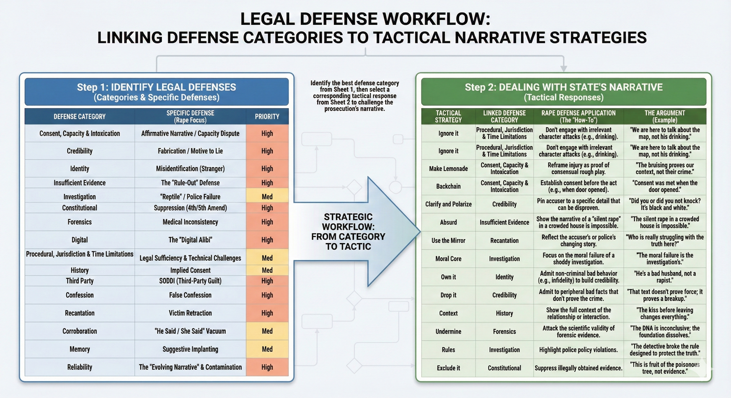
Backchain | Mens Rea / Mistake of Fact | Move the timeline backward. If consent (or appearance of consent) was established before the act, the subsequent regret is irrelevant. | "The State focuses on the morning after. But the case ends at 11:00 PM. At 11:00 PM, she invited him up. At 11:05 PM, she poured the drinks. Once that door opened, the legal threshold for reasonable belief of consent was met." | Anchor the defense to a specific time (Alibi or TOD) that makes the rest of the State's narrative impossible. If he wasn't there at 9:02 PM, nothing else matters. | "If the Medical Examiner says death occurred by 9:00 PM, and the cell tower puts him across town at 8:58 PM, then every other witness the State calls is irrelevant."
Clarify & Polarize | Credibility / Reliability (Evolving Narrative) | Pin the accuser or police to a specific details. Make the choice binary: "Either this specific detail is true, or they are lying." | "The detective claims he 'thoroughly' investigated. Let's make it black and white: Did you, or did you not, knock on the neighbor's door? No? Then it wasn't a thorough investigation. It was a partial one." | Force the jury into a binary choice: "Either he is a cold-blooded assassin who planned this for weeks, OR he is a scared kid who reacted in a split second." Eliminate the middle ground (Second Degree). | "The State wants you to believe this was a master plan. But look at the evidence: No gloves, own car, middle of the day. Does that look like a plan, or a panic?"
Absurd | Rule-Out / Corroboration | Reduce the State's narrative to its logical extreme to show its impossibility. (e.g., The "Silent Rape" in a crowded house). | "If the State's story is true, a violent struggle occurred in a thin-walled dorm room with three roommates home, yet not a single person heard a sound. That isn't just unlikely; it's physically impossible." | If the State's theory is true, the client must be an idiot or a mastermind. Point out the logical inconsistencies in the State's "Movie Plot" narrative. | "So the State believes he carefully wiped his fingerprints off the gun, but then left his wallet on the counter? That isn't a theory; that's a fairy tale."
Use the Mirror | Recantation / History | Reflect the behavior. Show that the accuser's actions (if admissible) or the police's behavior mirrors the chaos/confusion they attribute to the defendant. | "The State claims the defendant's story 'changed.' Look at the mirror. The accuser's story changed three times—from 'no' to 'maybe' to 'force.' Who is really the one struggling with the truth here?" | Accuse the State/Police of the very flaw they accuse the client of. If they accuse client of "hiding the truth," show how the police hid evidence or didn't test for DNA. | "They accuse [Client] of rushing to judgment in that fight. But who really rushed to judgment? Detective Smith, who closed this case in 4 hours without testing the knife."
Moral Core | Investigation (Reptile) | Reframe the defense not as "protecting a criminal" but as "protecting the system" or "preventing the conviction of the innocent." | "It is fundamentally unjust to ask this jury to convict a man when the State couldn't be bothered to test the rape kit. The moral failure here is not the defendant's; it is the investigation's." | Shift the "victim" narrative. If the "victim" was the aggressor, reframe the client as the one protecting the sanctity of life (his own or family's). | "The State talks about the tragedy of a life lost. We agree. But the tragedy started when [Victim] decided to bring a gun to a fistfight."
Own It | Identity / Consent (Adultery) | Admit the moral sin (cheating, drinking, drug use) to build credibility on the criminal denial. "I'm a bad husband, not a rapist." | "My client cheated on his wife. He lied to her. He is not a perfect man. But being unfaithful is not being a rapist. We own the infidelity so we can clearly see the innocence regarding the charge." | Admit to the lesser bad acts (Drug dealing, adultery, theft) to buy credibility on the Murder charge. "I'm a drug dealer, not a killer." | "We aren't here to tell you [Client] is a saint. He sells drugs. He carries a gun. But being a criminal doesn't make him a murderer."
Drop It | Peripheral "Bad Facts" | Do not fight battles that don't win the war. If the client sent a rude text, admit it and move on. Don't defend the indefensible. | "Yes, he sent an angry text the next day. We aren't here to defend his manners. We are here to defend his liberty. That text doesn't prove force; it proves a breakup." | If a witness testifies to something that doesn't hurt the theory of defense, do not cross-examine. Let it slide. Fighting every point makes you look desperate. | (To the Judge) "No questions for this witness, Your Honor." (Signals to the jury: "This witness didn't matter.")
Context | Digital / History | Restore the "cropped" picture. The State shows one text; you show the thread. State shows the act; you show the relationship. | "The State showed you the video of them leaving the bar. What they didn't show—the context—is the two hours of them kissing in the booth beforehand. That context changes 'leaving' into 'going home together.'" | The State zooms in on the "Bang." You zoom out to the 2 years of abuse, the threat text received an hour prior, or the mental health history. | "The State showed you the last 5 seconds of the video. We need to talk about the 5 years of history that led to that moment."
Undermine | Forensics / Memory | Attack the foundation. Show the evidence is scientifically invalid or the memory is contaminated. | "The DNA evidence isn't 'incriminating'; it's 'inconclusive.' They are building a castle on a swamp. Without that match, the foundation of their case dissolves." | Attack the source, not the fact. "The DNA matches, but the lab tech was fired for incompetence." The evidence exists, but it is corrupted. | "The lab report says 'Match.' But can you trust a match from a lab that lost the chain of custody three times?"
Rules | Investigation (Reptile) | The State/Police violated their own rules (SOPs, Brady, collection protocols). | "The Baton Rouge PD manual requires video interviews for all felony suspects. Detective Smith chose not to record. He broke the rule designed to protect the truth. Why?" | Use the rules of evidence to strip the State of their narrative tools (Hearsay, Character Evidence, 404b). Make the trial sterile and fact-based. | "Objection. The State is trying to introduce his past to scare you because they don't have enough evidence about his present."
Exclude It | Constitutional (4th/5th) | The nuclear option. If the evidence was obtained illegally, the jury never sees it. | "This text message chain was seized without a warrant. It is fruit of the poisonous tree. It is not evidence; it is a violation of the 4th Amendment." | Pre-trial suppression. If the gun is excluded, the narrative of "armed and dangerous" dies before the jury is seated. | Motion to Suppress filed. (If the evidence isn't seen, the narrative never forms).

